Sheet1
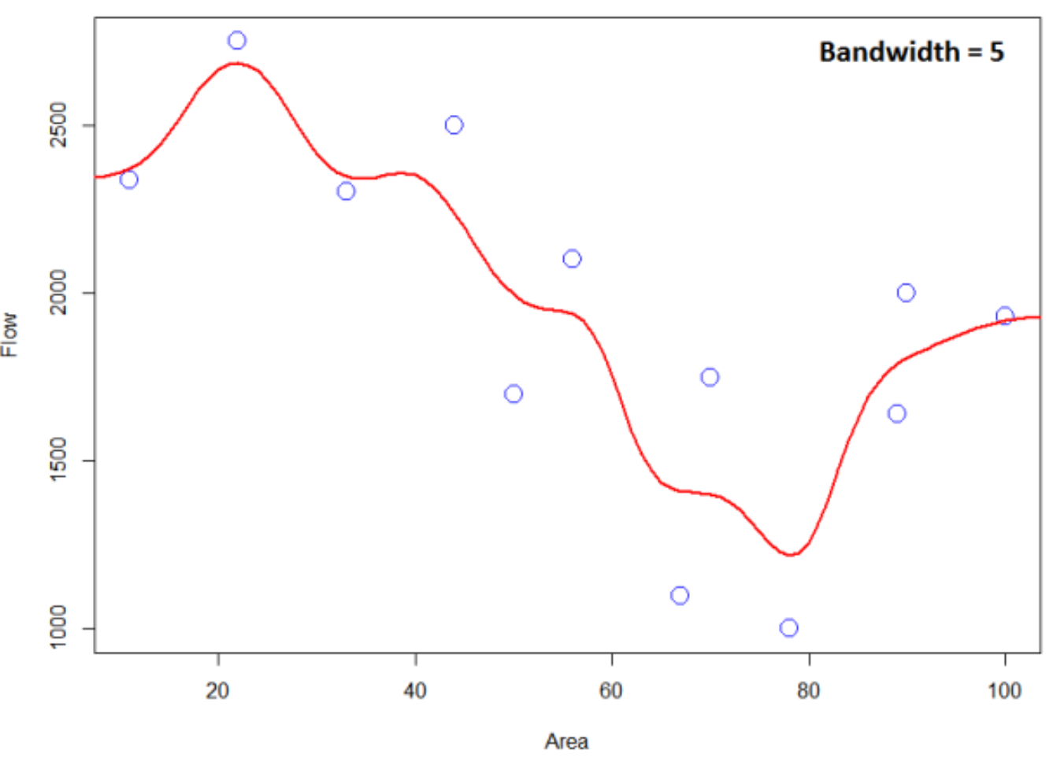
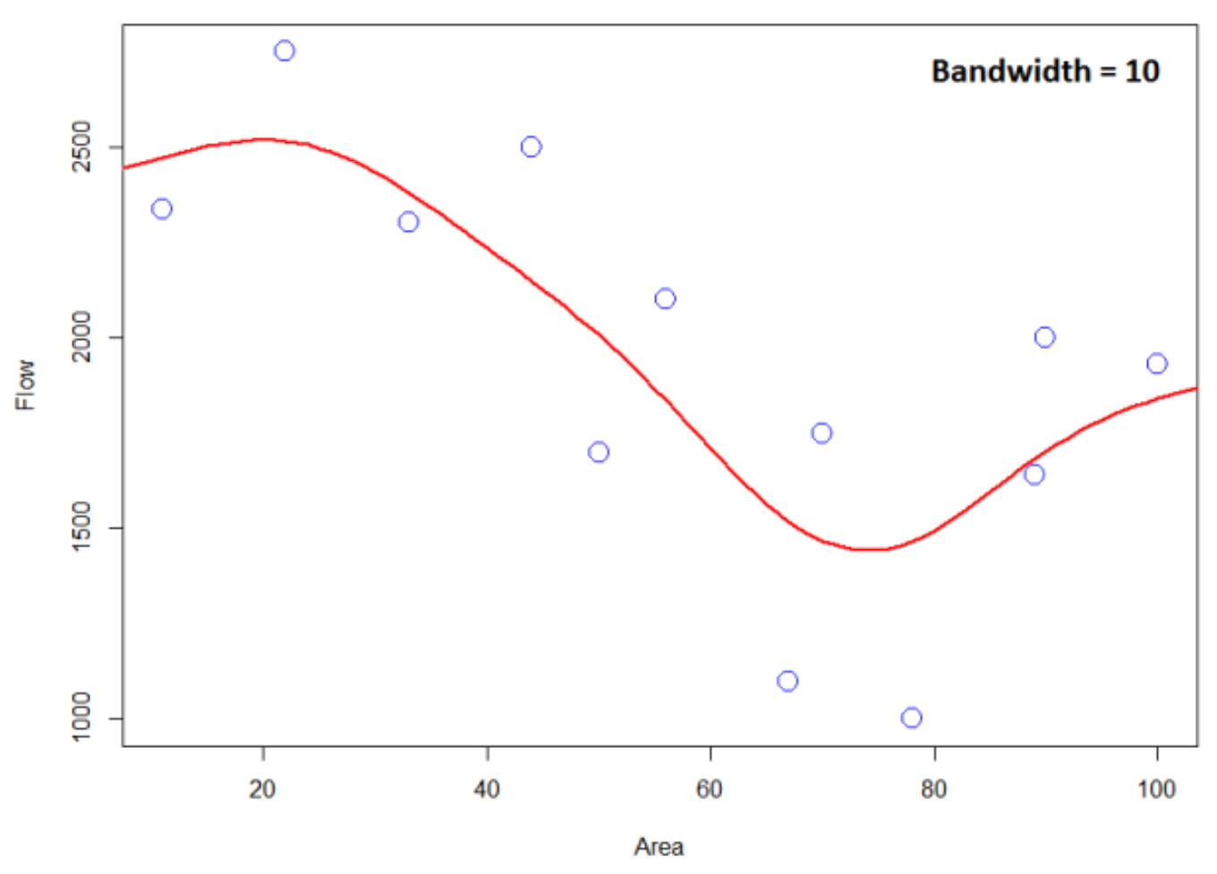
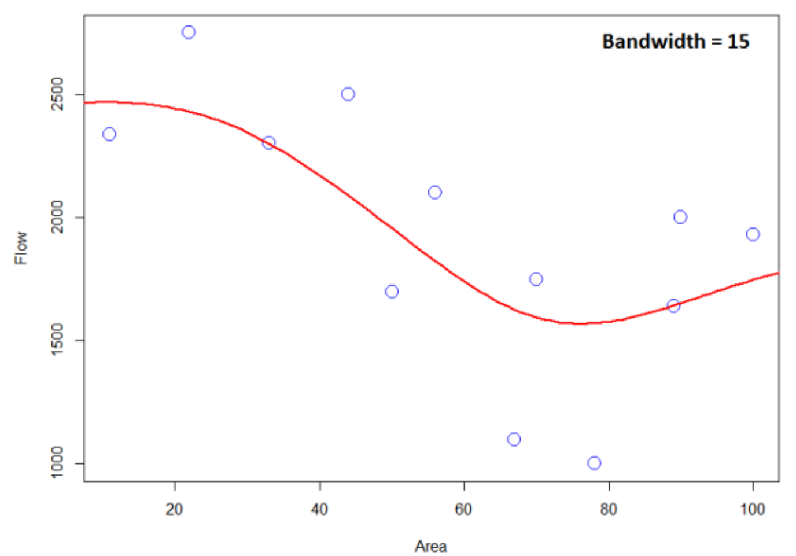
1. Gaussian Kernel Function
xi | values
x1 | 65
x2 | 75
x3 | 67
x4 | 79
x5 | 81
x6 | 91

Gaussian Filter
 | Xj | xi | h (sigma) |  |  |  | gaussian probability density distribution
 | 50 | 65 | 5.5 | 0.072535 | -3.71901 | 0.00176
 | 51 | 65 | 5.5 | 0.072535 | -3.23967 | 0.00284
 | 52 | 65 | 5.5 | 0.072535 | -2.79339 | 0.00444
 | 53 | 65 | 5.5 | 0.072535 | -2.38017 | 0.00671
 | 54 | 65 | 5.5 | 0.072535 | -2.00000 | 0.00982
 | 55 | 65 | 5.5 | 0.072535 | -1.65289 | 0.01389
 | 56 | 65 | 5.5 | 0.072535 | -1.33884 | 0.01901
 | 57 | 65 | 5.5 | 0.072535 | -1.05785 | 0.02518
 | 58 | 65 | 5.5 | 0.072535 | -0.80992 | 0.03227
 | 59 | 65 | 5.5 | 0.072535 | -0.59504 | 0.04001
 | 60 | 65 | 5.5 | 0.072535 | -0.41322 | 0.04798
 | 61 | 65 | 5.5 | 0.072535 | -0.26446 | 0.05568
 | 62 | 65 | 5.5 | 0.072535 | -0.14876 | 0.06251
 | 63 | 65 | 5.5 | 0.072535 | -0.06612 | 0.06789
 | 64 | 65 | 5.5 | 0.072535 | -0.01653 | 0.07135
 | 65 | 65 | 5.5 | 0.072535 | 0.00000 | 0.07253
 | 66 | 65 | 5.5 | 0.072535 | -0.01653 | 0.07135
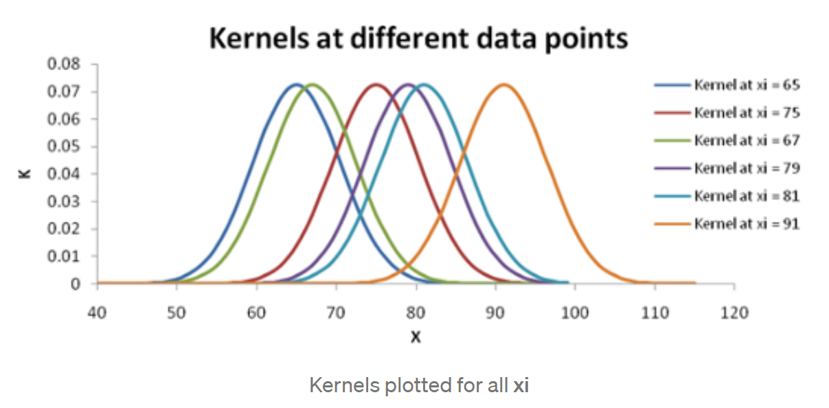
 | 67 | 65 | 5.5 | 0.072535 | -0.06612 | 0.06789
 | 68 | 65 | 5.5 | 0.072535 | -0.14876 | 0.06251
 | 69 | 65 | 5.5 | 0.072535 | -0.26446 | 0.05568
 | 70 | 65 | 5.5 | 0.072535 | -0.41322 | 0.04798
 | 71 | 65 | 5.5 | 0.072535 | -0.59504 | 0.04001
 | 72 | 65 | 5.5 | 0.072535 | -0.80992 | 0.03227
 | 73 | 65 | 5.5 | 0.072535 | -1.05785 | 0.02518
 | 74 | 65 | 5.5 | 0.072535 | -1.33884 | 0.01901
 | 75 | 65 | 5.5 | 0.072535 | -1.65289 | 0.01389
 | 76 | 65 | 5.5 | 0.072535 | -2.00000 | 0.00982
 | 77 | 65 | 5.5 | 0.072535 | -2.38017 | 0.00671
 | 78 | 65 | 5.5 | 0.072535 | -2.79339 | 0.00444
 | 79 | 65 | 5.5 | 0.072535 | -3.23967 | 0.00284
 | 80 | 65 | 5.5 | 0.072535 | -3.71901 | 0.00176
 | 81 | 65 | 5.5 | 0.072535 | -4.23140 | 0.00105
 | 82 | 65 | 5.5 | 0.072535 | -4.77686 | 0.00061
 | 83 | 65 | 5.5 | 0.072535 | -5.35537 | 0.00034
 | 84 | 65 | 5.5 | 0.072535 | -5.96694 | 0.00019
 | 85 | 65 | 5.5 | 0.072535 | -6.61157 | 0.00010
 | 86 | 65 | 5.5 | 0.072535 | -7.28926 | 0.00005
 | 87 | 65 | 5.5 | 0.072535 | -8.00000 | 0.00002
 | 88 | 65 | 5.5 | 0.072535 | -8.74380 | 0.00001
 | 89 | 65 | 5.5 | 0.072535 | -9.52066 | 0.00001
 | 90 | 65 | 5.5 | 0.072535 | -10.33058 | 0.00000
 | 91 | 65 | 5.5 | 0.072535 | -11.17355 | 0.00000
 | 92 | 65 | 5.5 | 0.072535 | -12.04959 | 0.00000
 | 93 | 65 | 5.5 | 0.072535 | -12.95868 | 0.00000
 | 94 | 65 | 5.5 | 0.072535 | -13.90083 | 0.00000
 | 95 | 65 | 5.5 | 0.072535 | -14.87603 | 0.00000
 | 96 | 65 | 5.5 | 0.072535 | -15.88430 | 0.00000
 | 97 | 65 | 5.5 | 0.072535 | -16.92562 | 0.00000
 | 98 | 65 | 5.5 | 0.072535 | -18.00000 | 0.00000
 | 99 | 65 | 5.5 | 0.072535 | -19.10744 | 0.00000

2. Gaussian Kernel Regression
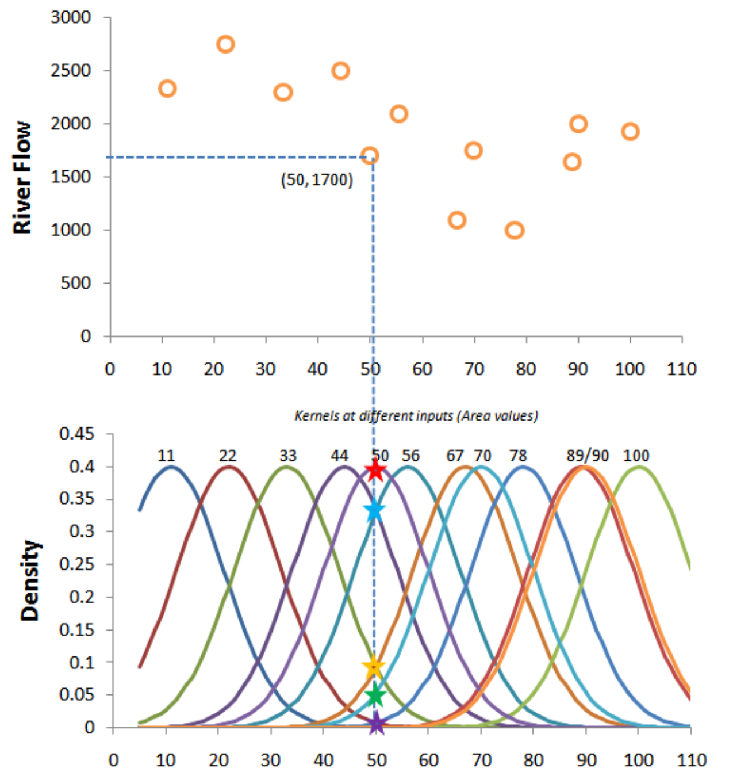
Area | River Flow
11 | 2,337
22 | 2,750
33 | 2,301
44 | 2,500
50 | 1,700
56 | 2,100
67 | 1,100
70 | 1,750
78 | 1,000
89 | 1,642
90 | 2,000
100 | 1,932
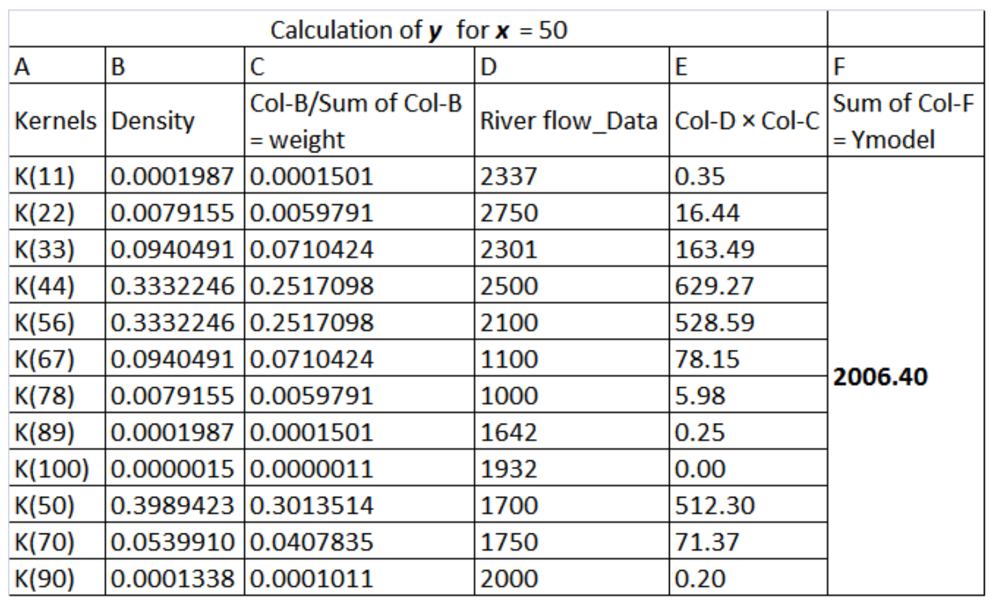

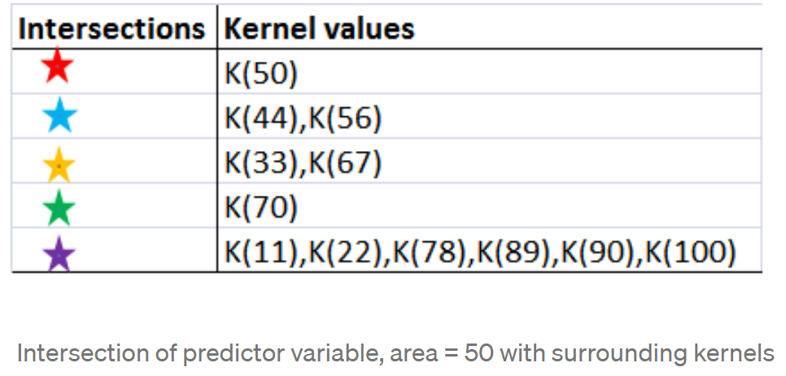

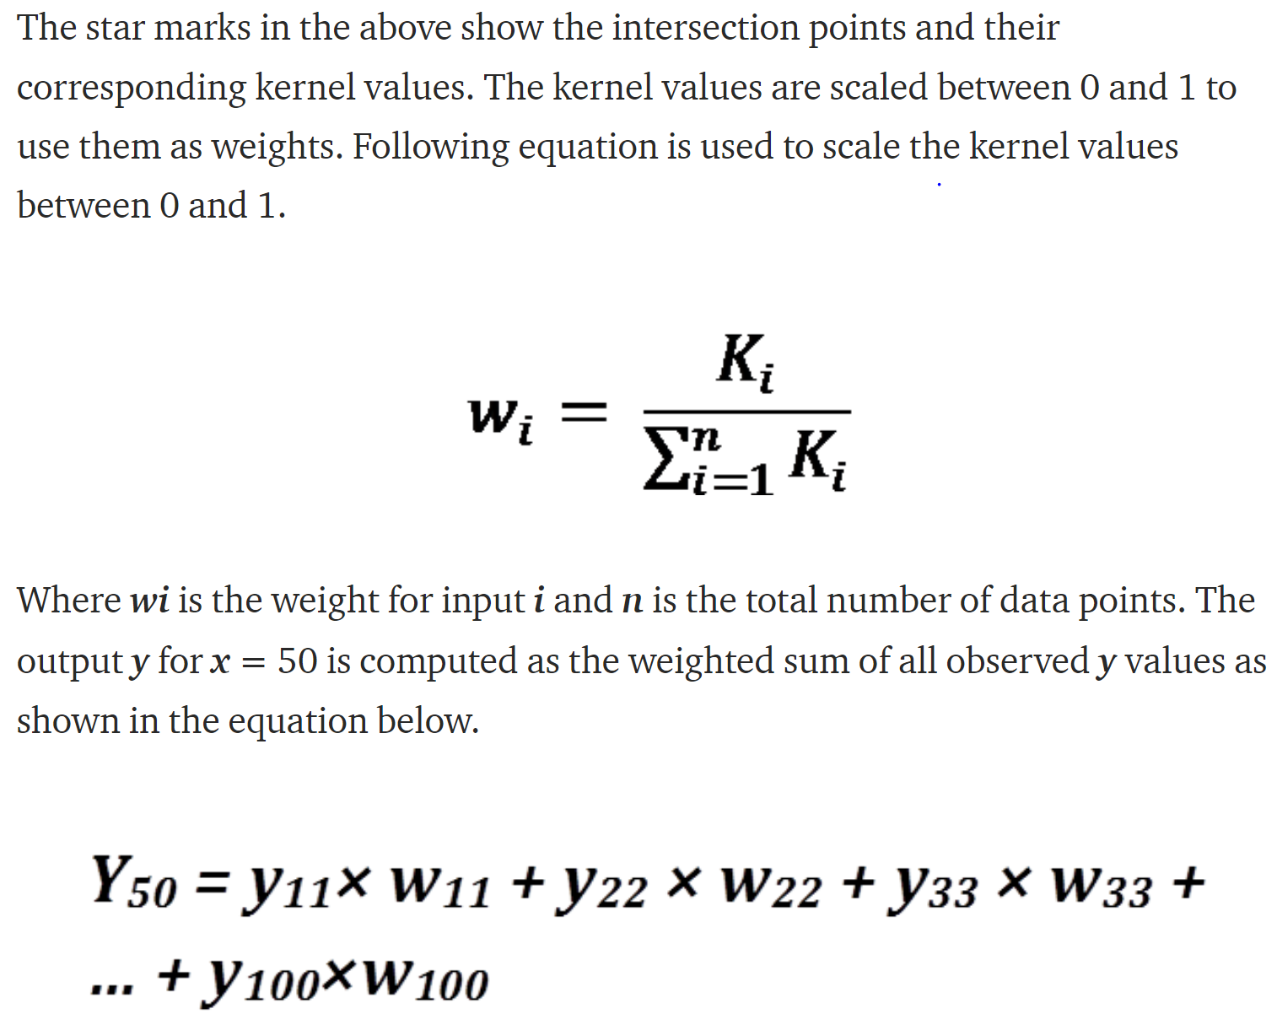
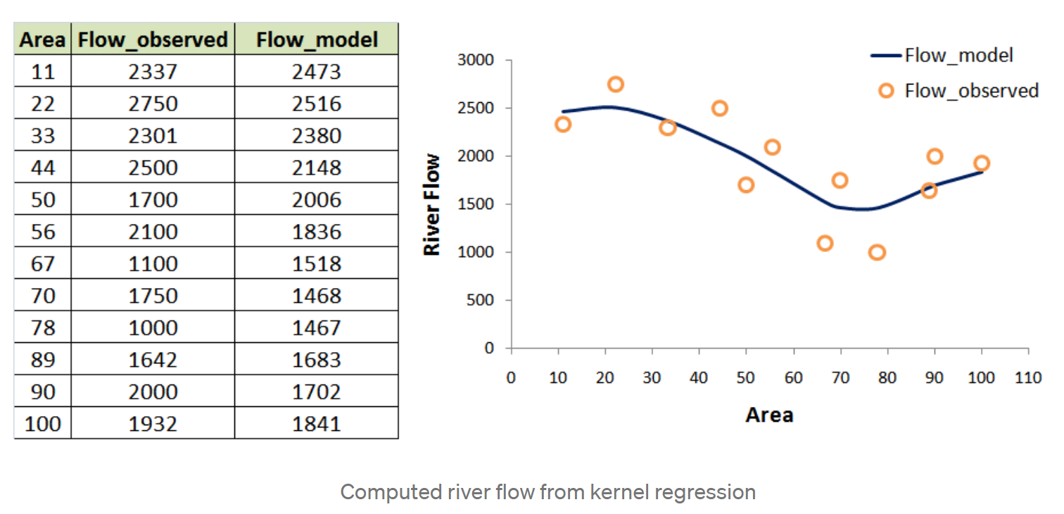

3. Band Sensitivity

 |  | Overfitting |  |  |  |  | Underfitting

